Statistics
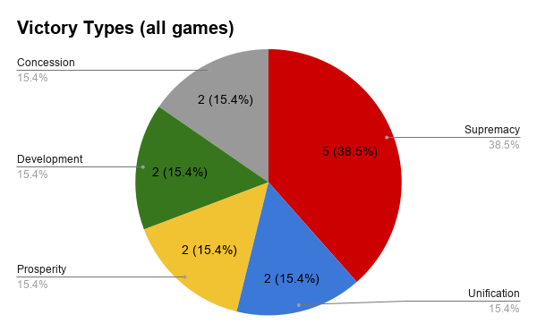
Duration | Player Count | Player Names | First Player | Victor | Victory Type
~2hr, 15mins | 4 | Vlad, Matt W, Matt L, Jake | Vlad | Matt L | Supremacy
~2hr, 45mins | 3 | Vlad, Burton, Pierce | Vlad | Burton | Unification
~1hr, 15mins | 3 | Vlad, Matt W, Jake | Vlad | Vlad | Prosperity
 | 3 | Vlad, Jake, Cman | Cman | Cman | Supremacy
 | 3 | Vlad, Jake, Coleman | Jake | Jake | Unification
~1hr 45mins | 4 | Vlad, Jake, Coleman, Sarah | Jake | Jake | Supremacy
~2hr, 20mins | 6 | Vlad, Jake, Coleman, Sarah, Cman, Matt W | Coleman | Coleman | Supremacy
~2hr, 19minns | 4 | Vlad, Jake, Coleman, Sarah | Jake | Jake | Supremacy
~3hr, 15mins | 4 | Vlad, Matt W, Logan, Christian | Matt W | Logan | Development
~1hr, 48mins | 5 | Vlad, Burton, Ethan, Yonnathan, Langston | Burton | Burton | Development
~3hr, 24mins | 4 | Vlad, Coleman, Logan, Jake | Coleman | Coleman | Prosperity
~3hours | 5 | Vlad, Matt W, Matt L, Sarah, Coleman | Matt W | Sarah | Concession
~2 hours | 4 | Vlad, Coleman, Logan, Cman | Logan | Logan | Concession

